Notes
 | Pin | Des (PROG) | Des (CHA) | Connect | Additional CHA chips (U2, U3, U4, U5) |  |  | https://assets.nexperia.com/documents/data-sheet/74HC_HCT273.pdf |  |  |  | Chip U6 | https://www.ti.com/lit/ds/symlink/sn74ls32.pdf
 |  |  |  |  | Octal D-type flip-flop with reset; positive-edge trigger |  |  |  |  |  |  | 4x OR gate
ICON | [1] | ICON[0] | GSEL[0] | J2_2
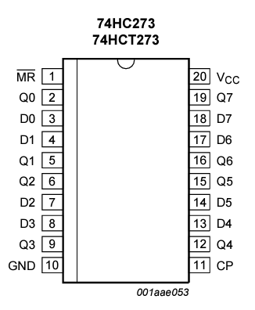
J1 | 2 | ICON[1] | GSEL[1] | J2_3 |  | Pin | DES | Des | Connect |  |  |  | Pin | DES | Des
 | 3 | ICON[2] | GSEL[2] | J2_4
 | 4 | ICON[3] | 0 | NC | U2 | 1 | #MR | 5V |  |  |  | U6 | 1 | 1A | CHA_A7 + RC
 | 5 | ICON[4] | GSEL[3] | J2_5 | S_LATCH | 2 | Q0 | SA[0] | S1_51 |  |  |  | 2 | 1B | CHA_A7 + RC
 | 6 | ICON[5] | GSEL[4] | J2_6 |  | 3 | D0 | PBUS[12] | A17 |  |  |  | 3 | 1Y | CP1_101 | some kind of delay ?
 | 7 | ICON[6] | GSEL[5] | J2_7 |  | 4 | D1 | PBUS[13] | B17 |  |  |  | 4 | 2A | NC | R1=1K
 | 8 | ICON[7] | GSEL[6] | J2_8 |  | 5 | Q1 | SA[1] | S1_31 |  |  |  | 5 | 2B | NC | C1=?
 | 9 | ICON[8] | GSEL[7] | J2_1 |  | 6 | Q2 | SA[2] | S1_26 |  |  |  | 6 | 2Y | NC
 | 10 | ICON[9] | 0 | NC |  | 7 | D2 | PBUS[14] | A18 |  |  |  | 7 | GND
 |  |  |  |  |  | 8 | D3 | PBUS[15] | B18 |  |  |  | 8 | 3Y | NC
ICON | [1] |  | GSEL[7] | J1_9 |  | 9 | Q3 | SA[4] | S1_24 |  |  |  | 9 | 3A | NC
J2 | 2 |  | GSEL[0] | J1_1 |  | 10 | GND | GND |  |  |  |  | 10 | 3B | NC
 | 3 |  | GSEL[1] | J1_2 |  | 11 | CP | PCK2B | U2+U3 only |  |  |  | 11 | 4Y | NC
 | 4 |  | GSEL[2] | J1_3 |  | 12 | Q4 | SA[5] | S1_23 |  |  |  | 12 | 4A | NC
 | 5 |  | GSEL[3] | J1_5 |  | 13 | D4 | PBUS[0] | A11 |  |  |  | 13 | 4B | NC
 | 6 |  | GSEL[4] | J1_6 |  | 14 | D5 | PBUS[1] | B11 |  |  |  | 14 | VCC
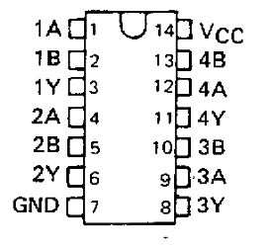
 | 7 |  | GSEL[5] | J1_7 |  | 15 | Q5 | SA[6] | S1_22
 | 8 |  | GSEL[6] | J1_8 |  | 16 | Q6 | SA[7] | S1_21
 |  |  |  |  |  | 17 | D6 | PBUS[2] | A12
 |  |  |  |  |  | 18 | D7 | PBUS[3] | B12
 |  |  |  |  |  | 19 | Q7 | SA[8] | S1_20
 |  |  |  |  |  | 20 | VCC | 5V

 |  |  |  |  | U3 | 1 | #MR | 5V |  | U5 | U3
 |  |  |  |  | S_LATCH | 2 | Q0 | SA[9] | S1_10
 |  |  |  |  |  | 3 | D0 | PBUS[4] | A13 | U4 | U2
 |  |  |  |  |  | 4 | D1 | PBUS[5] | B13
 |  |  |  |  |  | 5 | Q1 | SA[10] | S1_9
 |  |  |  |  |  | 6 | Q2 | SA[11] | S1_8
 |  |  |  |  |  | 7 | D2 | PBUS[6] | A14
 |  |  |  |  |  | 8 | D3 | PBUS[7] | B14
 |  |  |  |  |  | 9 | Q3 | SA[12] | S1_7
 |  |  |  |  |  | 10 | GND | GND
 |  |  |  |  |  | 11 | CP | PCK2B | U2+U3 only
 |  |  |  |  |  | 12 | Q4 | SA[13] | S1_6
 |  |  |  |  |  | 13 | D4 | PBUS[8] | A15
 |  |  |  |  |  | 14 | D5 | PBUS[9] | B15
 |  |  |  |  |  | 15 | Q5 | SA[14] | S1_5
 |  |  |  |  |  | 16 | Q6 | SA[15] | S1_4
 |  |  |  |  |  | 17 | D6 | PBUS[10] | A16
 |  |  |  |  |  | 18 | D7 | PBUS[11] | B16
 |  |  |  |  |  | 19 | Q7 | SA[16] | S1_3
 |  |  |  |  |  | 20 | VCC | 5V

 |  |  |  |  | U4 | 1 | #MR | 5V
 |  |  |  |  | C_LATCH | 2 | Q0 | CA[0] | Cx_39
 |  |  |  |  |  | 3 | D0 | PBUS[16] | A19
 |  |  |  |  |  | 4 | D1 | PBUS[17] | B19
 |  |  |  |  |  | 5 | Q1 | CA[1] | Cx_40
 |  |  |  |  |  | 6 | Q2 | CA[2] | Cx_41
 |  |  |  |  |  | 7 | D2 | PBUS[18] | A20
 |  |  |  |  |  | 8 | D3 | PBUS[19] | B20
 |  |  |  |  |  | 9 | Q3 | CA[3] | Cx_42
 |  |  |  |  |  | 10 | GND | GND
 |  |  |  |  |  | 11 | CP | PCK1B | CP1_128
 |  |  |  |  |  | 12 | Q4 | CA[5] | Cx_37
 |  |  |  |  |  | 13 | D4 | PBUS[0] | A11
 |  |  |  |  |  | 14 | D5 | PBUS[1] | B11
 |  |  |  |  |  | 15 | Q5 | CA[6] | Cx_36
 |  |  |  |  |  | 16 | Q6 | CA[7] | Cx_35
 |  |  |  |  |  | 17 | D6 | PBUS[2] | A12
 |  |  |  |  |  | 18 | D7 | PBUS[3] | B12
 |  |  |  |  |  | 19 | Q7 | CA[8] | Cx_34
 |  |  |  |  |  | 20 | VCC | 5V

 |  |  |  |  | U5 | 1 | #MR | 5V
 |  |  |  |  | C_LATCH | 2 | Q0 | CA[9] | Cx_33
 |  |  |  |  |  | 3 | D0 | PBUS[4] | A13
 |  |  |  |  |  | 4 | D1 | PBUS[5] | B13
 |  |  |  |  |  | 5 | Q1 | CA[10] | Cx_32
 |  |  |  |  |  | 6 | Q2 | CA[11] | Cx_31
 |  |  |  |  |  | 7 | D2 | PBUS[6] | A14
 |  |  |  |  |  | 8 | D3 | PBUS[7] | B14
 |  |  |  |  |  | 9 | Q3 | CA[12] | Cx_30
 |  |  |  |  |  | 10 | GND | GND
 |  |  |  |  |  | 11 | CP | PCK1B | CP1_128
 |  |  |  |  |  | 12 | Q4 | CA[13] | Cx_29
 |  |  |  |  |  | 13 | D4 | PBUS[8] | A15
 |  |  |  |  |  | 14 | D5 | PBUS[9] | B15
 |  |  |  |  |  | 15 | Q5 | CA[14] | Cx_28
 |  |  |  |  |  | 16 | Q6 | CA[15] | Cx_27
 |  |  |  |  |  | 17 | D6 | PBUS[10] | A16
 |  |  |  |  |  | 18 | D7 | PBUS[11] | B16
 |  |  |  |  |  | 19 | Q7 | CA[16] | Cx_26
 |  |  |  |  |  | 20 | VCC | 5V

CPLD
ALTERA MAX3000A EPM3256ATC144-10N |  |  | Data Sheet: MAX 3000A Programmable Logic Device Family

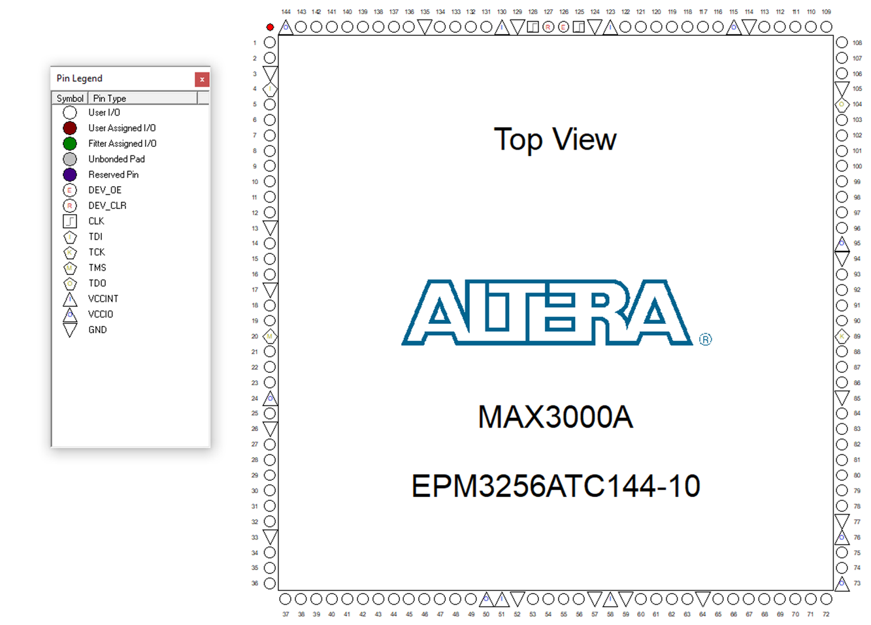
 | Pin | Des | Conn | Des1 | Des2 | Des3

CP1 | 1 | PIN_1 | Cx_53 | CR[0]
CHA | 2 | PIN_2 | Cx_43 | CR[1]
 | 3 | GND
 | 4 | TDI
 | 5 | PIN_5 | Cx_47 | CR[2]
 | 6 | PIN_6 | Cx_86 | CR[3]
 | 7 | PIN_7 | Cx_55 | CR[4]
 | 8 | PIN_8 | Cx_88 | CR[5]
 | 9 | PIN_9 | Cx_80 | CR[6]
 | 10 | PIN_10 | Cx_85 | CR[7]
 | 11 | PIN_11 | Cx_46 | CR[8]
 | 12 | PIN_12 | Cx_45 | CR[9]
 | 13 | GND
 | 14 | PIN_14 | Cx_78 | CR[10]
 | 15 | PIN_15 | Cx_79 | CR[11]
 | 16 | PIN_16 | Cx_44 | CR[12]
 | 17 | GND
 | 18 | PIN_18 | Cx_87 | CR[13]
 | 19 | PIN_19 | Cx_48 | CR[14]
 | 20 | TMS
 | 21 | PIN_21 | Cx_54 | CR[15]
 | 22 | PIN_22 | Cx_65 | CR[16]
 | 23 | PIN_23 | Cx_77 | CR[17]
 | 24 | VCC
 | 25 | PIN_25 | Cx_63 | CR[18]
 | 26 | GND
 | 27 | PIN_27 | Cx_70 | CR[19]
 | 28 | PIN_28 | Cx_24 | CR[20]
 | 29 | PIN_29 | Cx_76 | CR[21]
 | 30 | PIN_30 | Cx_68 | CR[22]
 | 31 | PIN_31 | Cx_69 | CR[23]
 | 32 | PIN_32 | Cx_58 | CR[24]
 | 33 | GND
 | 34 | PIN_34 | Cx_57 | CR[25]
 | 35 | PIN_35 | Cx_23 | CR[26]
 | 36 | PIN_36 | Cx_67 | CR[27]
 | 37 | PIN_37 | Cx_56 | CR[28]
 | 38 | PIN_38 | Cx_75 | CR[29]
 | 39 | PIN_39 | Cx_64 | CR[30]
 | 40 | PIN_40 | Cx_66 | CR[31]
 | 41 | PIN_41 | NC
 | 42 | PIN_42 | NC
 | 43 | PIN_43 | NC
 | 44 | PIN_44 | NC
 | 45 | PIN_45 | NC
 | 46 | PIN_46 | NC
 | 47 | PIN_47 | NC
 | 48 | PIN_48 | NC
 | 49 | PIN_49 | C2_4+C2_15 | C2_nOE[1]
 | 50 | VCC
 | 51 | VCC
 | 52 | GND
 | 53 | PIN_53 | C2_3+C2_14 | C2_nOE[0]
 | 54 | PIN_54 | C1_4+C1_15 | C1_nOE[1]
 | 55 | PIN_55 | C1_3+C1_14 | C1_nOE[0]
 | 56 | PIN_56 | M1_8 | M_ADDR[11]
 | 57 | GND
 | 58 | VCC
 | 59 | GND
 | 60 | PIN_60 | M1_7 | M_ADDR[12]
 | 61 | PIN_61 | M1_6 | M_ADDR[13]
 | 62 | PIN_62 | M1_5 | M_ADDR[14]
 | 63 | PIN_63 | M1_4 | M_ADDR[15]
 | 64 | GND
 | 65 | PIN_65 | M1_3 | M_ADDR[16]
 | 66 | PIN_66 | M1_54 | M_ADDR[17]
 | 67 | PIN_67 | M1_32 | M1_nCE
 | 68 | PIN_68 | M1_34 | M1_nOE
 | 69 | PIN_69 | CHA_A45 | SDA[15]
 | 70 | PIN_70 | CHA_A44 | SDA[14]
 | 71 | PIN_71 | CHA_A43 | SDA[13]
 | 72 | PIN_72 | CHA_A42 | SDA[12]
 | 73 | VCC
 | 74 | PIN_74 | CHA_A41 | SDA[11]
 | 75 | PIN_75 | CHA_A40 | SDA[10]
 | 76 | VCC
 | 77 | GND
 | 78 | PIN_78 | CHA_A39 | SDA[9]
 | 79 | PIN_79 | CHA_A38 | SDA[8]
 | 80 | PIN_80 | CHA_A46 | SDMRD
 | 81 | PIN_81 | CHA_A47 | SDROM
 | 82 | PIN_82 | CHA_A31 | SDA[1]
 | 83 | PIN_83 | CHA_A30 | SDA[0]
 | 84 | PIN_84 | CHA_B30 | DOTA
 | 85 | GND
 | 86 | PIN_86 | CHA_B31 | DOTB
 | 87 | PIN_87 | CHA_B32 | GAD[0]
 | 88 | PIN_88 | CHA_B33 | GAD[1]
 | 89 | TCK
 | 90 | PIN_90 | CHA_B34 | GAD[2]
 | 91 | PIN_91 | CHA_B35 | GAD[3]
 | 92 | PIN_92 | CHA_B36 | GBD[0]
 | 93 | PIN_93 | CHA_B37 | GBD[1]
 | 94 | GND
 | 95 | VCC
 | 96 | PIN_96 | CHA_B38 | GBD[2]
 | 97 | PIN_97 | CHA_B39 | GBD[3]
 | 98 | PIN_98 | CHA_A9 | LOAD
 | 99 | PIN_99 | CHA_A8 | H
 | 100 | PIN_100 | CHA_A5 | CLK_12M
 | 101 | PIN_101 | CHA_A7 thr. RC+OR | EVEN
 | 102 | PIN_102 | NC
 | 103 | PIN_103 | NC
 | 104 | TDO
 | 105 | GND
 | 106 | PIN_106 | CHA_A17 | PBUS[12]
 | 107 | PIN_107 | CHA_B17 | PBUS[13]
 | 108 | PIN_108 | NC
 | 109 | PIN_109 | CHA_A18 | PBUS[14]
 | 110 | PIN_110 | CHA_B18 | PBUS[15]
 | 111 | PIN_111 | CHA_A21 | PBUS[20]
 | 112 | PIN_112 | CHA_B21 | PBUS[21]
 | 113 | PIN_113 | CHA_A22 | PBUS[22]
 | 114 | GND
 | 115 | VCC
 | 116 | PIN_116 | NC
 | 117 | PIN_117 | Cx_17 | C_ADDR[26]
 | 118 | PIN_118 | Cx_16 | C_ADDR[25]
 | 119 | PIN_119 | Cx_11 | C_ADDR[24]
 | 120 | PIN_120 | Cx_10 | C_ADDR[23]
 | 121 | PIN_121 | Cx_9 | C_ADDR[22]
 | 122 | PIN_122 | Cx_8 | C_ADDR[21]
 | 123 | VCC
 | 124 | GND
 | 125 | PIN_125 | CHA_A28 | SDRD0
 | 126 | PIN_126 | NC
 | 127 | PIN_127 | NC
 | 128 | PIN_128 | CHA_A3 | PCK1B
 | 129 | GND
 | 130 | VCC
 | 131 | PIN_131 | Cx_7 | C_ADDR[20]
 | 132 | PIN_132 | Cx_6 | C_ADDR[19]
 | 133 | PIN_133 | Cx_5 | C_ADDR[18]
 | 134 | PIN_134 | Cx_25 | C_ADDR[17]
 | 135 | GND
 | 136 | PIN_136 | J2_2+S1_54+M1_19 | GSEL[0] | S_ADDR[16] | M_ADDR[17]
 | 137 | PIN_137 | J2_3+S1_19+M1_18 | GSEL[1] | S_ADDR[17] | M_ADDR[18]
 | 138 | PIN_138 | J2_4+S1_18+M1_11 | GSEL[2] | S_ADDR[18] | M_ADDR[19]
 | 139 | PIN_139 | J2_5+S1_11+M1_12 | GSEL[3] | S_ADDR[19] | M_ADDR[20]
 | 140 | PIN_140 | J2_6+S1_12+M1_15 | GSEL[4] | S_ADDR[20] | M_ADDR[21]
 | 141 | PIN_141 | J2_7+S1_15+M1_2 | GSEL[5] | S_ADDR[21] | M_ADDR[22]
 | 142 | PIN_142 | J2_8+S1_2+M1_1 | GSEL[6] | S_ADDR[22] | M_ADDR[23]
 | 143 | PIN_143 | J2_1+S1_1+M1_56 | GSEL[7] | S_ADDR[23] | M_ADDR[24]
 | 144 | VCC

CP1 | 1 | PIN_1 | PROG_A20 | M68K_DATA[15]
PROG | 2 | PIN_2 | PROG_A19 | M68K_DATA[14]
 | 3 | GND
 | 4 | TDI
 | 5 | PIN_5 | PROG_A18 | M68K_DATA[13]
 | 6 | PIN_6 | PROG_A17 | M68K_DATA[12]
 | 7 | PIN_7 | PROG_A16 | M68K_DATA[11]
 | 8 | PIN_8 | PROG_A15 | M68K_DATA[10]
 | 9 | PIN_9 | PROG_A14 | M68K_DATA[9]
 | 10 | PIN_10 | PROG_A13 | M68K_DATA[8]
 | 11 | PIN_11 | PROG_A12 | M68K_DATA[7]
 | 12 | PIN_12 | PROG_A11 | M68K_DATA[6]
 | 13 | GND
 | 14 | PIN_14 | PROG_A10 | M68K_DATA[5]
 | 15 | PIN_15 | PROG_A9 | M68K_DATA[4]
 | 16 | PIN_16 | PROG_A8 | M68K_DATA[3]
 | 17 | GND
 | 18 | PIN_18 | PROG_A7 | M68K_DATA[2]
 | 19 | PIN_19 | PROG_A6 | M68K_DATA[1]
 | 20 | TMS
 | 21 | PIN_21 | PROG_A5 | M68K_DATA[0]
 | 22 | PIN_22 | PROG_B23 | M68K_ADDR[19]
 | 23 | PIN_23 | PROG_B22 | M68K_ADDR[18]
 | 24 | VCC
 | 25 | PIN_25 | PROG_B21 | M68K_ADDR[17]
 | 26 | GND
 | 27 | PIN_27 | PROG_B20 | M68K_ADDR[16]
 | 28 | PIN_28 | PROG_B19 | M68K_ADDR[15]
 | 29 | PIN_29 | PROG_B18 | M68K_ADDR[14]
 | 30 | PIN_30 | PROG_B17 | M68K_ADDR[13]
 | 31 | PIN_31 | PROG_B16 | M68K_ADDR[12]
 | 32 | PIN_32 | PROG_B15 | M68K_ADDR[11]
 | 33 | GND
 | 34 | PIN_34 | PROG_B14 | M68K_ADDR[10]
 | 35 | PIN_35 | PROG_B13 | M68K_ADDR[9]
 | 36 | PIN_36 | PROG_B12 | M68K_ADDR[8]
 | 37 | PIN_37 | PROG_B11 | M68K_ADDR[7]
 | 38 | PIN_38 | PROG_B10 | M68K_ADDR[6]
 | 39 | PIN_39 | PROG_B9 | M68K_ADDR[5]
 | 40 | PIN_40 | PROG_B8 | M68K_ADDR[4]
 | 41 | PIN_41 | PROG_B7 | M68K_ADDR[3]
 | 42 | PIN_42 | PROG_B6 | M68K_ADDR[2]
 | 43 | PIN_43 | PROG_B5 | M68K_ADDR[1]
 | 44 | PIN_44 | STC_43 | ?
 | 45 | PIN_45 | STC_42 | ?
 | 46 | PIN_46 | STC_37 | MCU_DATA[0]
 | 47 | PIN_47 | STC_36 | MCU_DATA[1]
 | 48 | PIN_48 | STC_35 | MCU_DATA[2]
 | 49 | PIN_49 | STC_34 | MCU_DATA[3]
 | 50 | VCC
 | 51 | VCC
 | 52 | GND
 | 53 | PIN_53 | STC_33 | MCU_DATA[4]
 | 54 | PIN_54 | STC_32 | MCU_DATA[5]
 | 55 | PIN_55 | STC_31 | MCU_DATA[6]
 | 56 | PIN_56 | STC_30 | MCU_DATA[7]
 | 57 | GND
 | 58 | VCC
 | 59 | GND
 | 60 | PIN_60 | STC_27 | ?
 | 61 | PIN_61 | STC_25 | ?
 | 62 | PIN_62 | STC_8
 | 63 | PIN_63 | STC_9 | ?
 | 64 | GND
 | 65 | PIN_65 | STC_12 | ?
 | 66 | PIN_66 | STC_13 | ?
 | 67 | PIN_67 | ?
 | 68 | PIN_68 | ?
 | 69 | PIN_69 | ?
 | 70 | PIN_70 | P1_CE# | P_nCE[0]
 | 71 | PIN_71 | P2_CE# | P_nCE[1]
 | 72 | PIN_72 | ?
 | 73 | VCC
 | 74 | PIN_74 | Px_54 | P_ADDR[17]
 | 75 | PIN_75 | Px_55 | P_ADDR[25]
 | 76 | VCC
 | 77 | GND
 | 78 | PIN_78 | Px_56 | P_ADDR[24]
 | 79 | PIN_79 | Px_57 | P_ADDR[23]
 | 80 | PIN_80 | Px_58 | P_ADDR[16]
 | 81 | PIN_81 | Px_59 | P_ADDR[15]
 | 82 | PIN_82 | Px_60 | P_ADDR[14]
 | 83 | PIN_83 | Px_61 | P_ADDR[13]
 | 84 | PIN_84 | Px_62 | P_ADDR[12]
 | 85 | GND
 | 86 | PIN_86 | Px_63 | P_ADDR[11]
 | 87 | PIN_87 | Px_64 | P_ADDR[10]
 | 88 | PIN_88 | Px_65 | P_ADDR[9]
 | 89 | TCK
 | 90 | PIN_90 | Px_66 | P_ADDR[20]
 | 91 | PIN_91 | Px_67 | P_ADDR[21]
 | 92 | PIN_92 | P3_CE# | P_nCE[2]
 | 93 | PIN_93 | Px_4 | P_ADDR[22]
 | 94 | GND
 | 95 | VCC
 | 96 | PIN_96 | Px_6 | P_ADDR[19]
 | 97 | PIN_97 | Px_7 | P_ADDR[18]
 | 98 | PIN_98 | Px_8 | P_ADDR[8]
 | 99 | PIN_99 | Px_9 | P_ADDR[7]
 | 100 | PIN_100 | Px_10 | P_ADDR[6]
 | 101 | PIN_101 | Px_11 | P_ADDR[5]
 | 102 | PIN_102 | Px_12 | P_ADDR[4]
 | 103 | PIN_103 | Px_13 | P_ADDR[3]
 | 104 | TDO
 | 105 | GND
 | 106 | PIN_106 | Px_14 | P_ADDR[2]
 | 107 | PIN_107 | Px_15 | P_ADDR[1]
 | 108 | PIN_108 | Px_16 | P_ADDR[0]
 | 109 | PIN_109 | ?
 | 110 | PIN_110 | Px_OE# | P_nOE
 | 111 | PIN_111 | ?
 | 112 | PIN_112 | ?
 | 113 | PIN_113 | ?
 | 114 | GND
 | 115 | VCC
 | 116 | PIN_116 | ?
 | 117 | PIN_117 | PROG_B33 | nROMOE
 | 118 | PIN_118 | J1_1 | ICON[0] | out
 | 119 | PIN_119 | J1_2 | ICON[1]
 | 120 | PIN_120 | J1_3 | ICON[2]
 | 121 | PIN_121 | J1_4 | ICON[3]
 | 122 | PIN_122 | J1_5 | ICON[4]
 | 123 | VCC
 | 124 | GND
 | 125 | PIN_125 | PROG_A28 | nPORTWEL
 | 126 | PIN_126 | PROG_A21 | M68K_RW
 | 127 | PIN_127 | PROG_B35 | nRESET | DEV_CLR
 | 128 | PIN_128 | PROG_A27 | nPORTWEU
 | 129 | GND
 | 130 | VCC
 | 131 | PIN_131 | J1_6 | ICON[5] | out
 | 132 | PIN_132 | J1_7 | ICON[6]
 | 133 | PIN_133 | J1_8 | ICON[7]
 | 134 | PIN_134 | J1_9 | ICON[8]
 | 135 | GND
 | 136 | PIN_136 | PROG_B35 | nRESET | in (diode)
 | 137 | PIN_137 | J1_10 (NC) | ICON[9] | out
 | 138 | PIN_138 | PROG_A26 | nPORTOEL
 | 139 | PIN_139 | PROG_A25 | nPORTOEU
 | 140 | PIN_140 | ?
 | 141 | PIN_141 | PROG_A24 | nROMOEL
 | 142 | PIN_142 | PROG_A23 | nROMOEU
 | 143 | PIN_143 | PROG_A22 | nAS
 | 144 | VCC

PCM2 | 1 | PIN_1 | PROG_B45 | SDRA_U[23]
PROG | 2 | PIN_2 | PROG_B44 | SDRA_U[22]
 | 3 | GND
 | 4 | TDI
 | 5 | PIN_5 | PROG_B43 | SDRA_U[21]
 | 6 | PIN_6 | PROG_B42 | SDRA_U[20]
 | 7 | PIN_7 | PROG_B41 | SDRA_L[9]
 | 8 | PIN_8 | PROG_B40 | SDRA_L[8]
 | 9 | PIN_9 | PROG_A45 | SDPA[11]
 | 10 | PIN_10 | PROG_A44 | SDPA[10]
 | 11 | PIN_11 | PROG_A43 | SDPA[9]
 | 12 | PIN_12 | PROG_A42 | SDPA[8]
 | 13 | GND
 | 14 | PIN_14 | PROG_B39 | SDRAD[7]
 | 15 | PIN_15 | PROG_B38 | SDRAD[6]
 | 16 | PIN_16 | PROG_B37 | SDRAD[5]
 | 17 | GND
 | 18 | PIN_18 | PROG_B36 | SDRAD[4]
 | 19 | PIN_19 | PROG_B35 | SDRAD[3]
 | 20 | TMS
 | 21 | PIN_21 | PROG_B34 | SDRAD[2]
 | 22 | PIN_22 | PROG_B33 | SDRAD[1]
 | 23 | PIN_23 | PROG_B32 | SDRAD[0]
 | 24 | VCC
 | 25 | PIN_25 | PROG_A41 | SDPAD[7]
 | 26 | GND
 | 27 | PIN_27 | PROG_A40 | SDPAD[6]
 | 28 | PIN_28 | PROG_A39 | SDPAD[5]
 | 29 | PIN_29 | PROG_A38 | SDPAD[4]
 | 30 | PIN_30 | PROG_A37 | SDPAD[3]
 | 31 | PIN_31 | PROG_A36 | SDPAD[2]
 | 32 | PIN_32 | PROG_A35 | SDPAD[1]
 | 33 | GND
 | 34 | PIN_34 | PROG_A34 | SDPAD[0]
 | 35 | PIN_35 | ?
 | 36 | PIN_36 | PROG_A32 | CLK_68KCLKB
 | 37 | PIN_37 | J1_10 (NC) | ICON[9] | in
 | 38 | PIN_38 | J1_9 | ICON[8]
 | 39 | PIN_39 | J1_8 | ICON[7]
 | 40 | PIN_40 | J1_7 | ICON[6]
 | 41 | PIN_41 | J1_6 | ICON[5]
 | 42 | PIN_42 | J1_5 | ICON[4]
 | 43 | PIN_43 | J1_4 | ICON[3]
 | 44 | PIN_44 | J1_3 | ICON[2]
 | 45 | PIN_45 | J1_2 | ICON[1]
 | 46 | PIN_46 | J1_1 | ICON[0]
 | 47 | PIN_47 | ?
 | 48 | PIN_48 | ?
 | 49 | PIN_49 | ?
 | 50 | VCC
 | 51 | VCC
 | 52 | GND
 | 53 | PIN_53 | ?
 | 54 | PIN_54 | V1_44 | V_DATA[0]
 | 55 | PIN_55 | V1_45 | V_DATA[1]
 | 56 | PIN_56 | V1_88 | V_DATA[9]
 | 57 | GND
 | 58 | VCC
 | 59 | GND
 | 60 | PIN_60 | V1_43 | V_DATA[8]
 | 61 | PIN_61 | V1_46 | V_DATA[2]
 | 62 | PIN_62 | V1_87 | V_DATA[10]
 | 63 | PIN_63 | V1_42 | V_ADDR[0]
 | 64 | GND
 | 65 | PIN_65 | V1_47 | V_DATA[3]
 | 66 | PIN_66 | V1_86 | V_DATA[11]
 | 67 | PIN_67 | V1_41 | V_ADDR[1]
 | 68 | PIN_68 | V1_48 | V_DATA[4]
 | 69 | PIN_69 | V1_85 | V_DATA[12]
 | 70 | PIN_70 | V1_3 | V_nOE[0]
 | 71 | PIN_71 | V1_4 | V_nOE[1]
 | 72 | PIN_72 | V1_40 | V_ADDR[2]
 | 73 | VCC
 | 74 | PIN_74 | V1_5 | V_ADDR[18]
 | 75 | PIN_75 | V1_39 | V_ADDR[3]
 | 76 | VCC
 | 77 | GND
 | 78 | PIN_78 | V1_6 | V_ADDR[19]
 | 79 | PIN_79 | V1_38 | V_ADDR[4]
 | 80 | PIN_80 | V1_7 | V_ADDR[20]
 | 81 | PIN_81 | V1_37 | V_ADDR[5]
 | 82 | PIN_82 | V1_8 | V_ADDR[21]
 | 83 | PIN_83 | V1_36 | V_ADDR[6]
 | 84 | PIN_84 | V1_53 | V_DATA[5]
 | 85 | GND
 | 86 | PIN_86 | V1_80 | V_DATA[13]
 | 87 | PIN_87 | V1_9 | V_ADDR[22]
 | 88 | PIN_88 | V1_35 | V_ADDR[7]
 | 89 | TCK
 | 90 | PIN_90 | V1_54 | V_DATA[6]
 | 91 | PIN_91 | V1_10 | V_ADDR[23]
 | 92 | PIN_92 | V1_79 | V_DATA[14]
 | 93 | PIN_93 | V1_34 | V_ADDR[8]
 | 94 | GND
 | 95 | VCC
 | 96 | PIN_96 | V1_11 | V_ADDR[24]
 | 97 | PIN_97 | V1_55 | V_DATA[7]
 | 98 | PIN_98 | V1_78 | V_DATA[15]
 | 99 | PIN_99 | V1_33 | V_ADDR[9]
 | 100 | PIN_100 | V1_56 | V_DATA[16]
 | 101 | PIN_101 | V1_77 | V_DATA[24]
 | 102 | PIN_102 | V1_32 | V_ADDR[10]
 | 103 | PIN_103 | V1_57 | V_DATA[17]
 | 104 | TDO
 | 105 | GND
 | 106 | PIN_106 | V1_76 | V_DATA[25]
 | 107 | PIN_107 | V1_14 | V_nOE[2]
 | 108 | PIN_108 | V1_31 | V_ADDR[11]
 | 109 | PIN_109 | V1_58 | V_DATA[18]
 | 110 | PIN_110 | V1_15 | V_nOE[3]
 | 111 | PIN_111 | V1_75 | V_DATA[26]
 | 112 | PIN_112 | V1_30 | V_ADDR[12]
 | 113 | PIN_113 | V1_16 | V_ADDR[25]
 | 114 | GND
 | 115 | VCC
 | 116 | PIN_116 | V1_29 | V_ADDR[13]
 | 117 | PIN_117 | V1_17 | V_ADDR[26]
 | 118 | PIN_118 | V1_19 | x
 | 119 | PIN_119 | V1_18 | x
 | 120 | PIN_120 | V1_28 | V_ADDR[14]
 | 121 | PIN_121 | V1_27 | V_ADDR[15]
 | 122 | PIN_122 | V1_26 | V_ADDR[16]
 | 123 | VCC
 | 124 | GND
 | 125 | PIN_125 | PROG_A46 | SDPMPX
 | 126 | PIN_126 | PROG_A47 | nSDPOE
 | 127 | PIN_127 | ?
 | 128 | PIN_128 | PROG_B47 | nSDROE
 | 129 | GND
 | 130 | VCC
 | 131 | PIN_131 | PROG_B46 | SDRMPX
 | 132 | PIN_132 | V1_25 | V_ADDR[17]
 | 133 | PIN_133 | V1_70 | V_DATA[27]
 | 134 | PIN_134 | V1_24 | V_DATA[23]
 | 135 | GND
 | 136 | PIN_136 | V1_63 | V_DATA[19]
 | 137 | PIN_137 | V1_23 | V_DATA[31]
 | 138 | PIN_138 | V1_69 | V_DATA[28]
 | 139 | PIN_139 | V1_64 | V_DATA[20]
 | 140 | PIN_140 | V1_68 | V_DATA[29]
 | 141 | PIN_141 | V1_65 | V_DATA[21]
 | 142 | PIN_142 | V1_67 | V_DATA[30]
 | 143 | PIN_143 | V1_66 | V_DATA[22]
 | 144 | VCC

 | JTAG pin

 | [1] | VCC
 | 2 | GND
 | 3 | TCK
 | 4 | TDO
 | 5 | TDI
 | 6 | TMS

F0095H0
8x Micron MT28GU01G 128MB/1Gb cores |  |  | 256Mb, 512Mb, 1Gb StrataFlash Memory
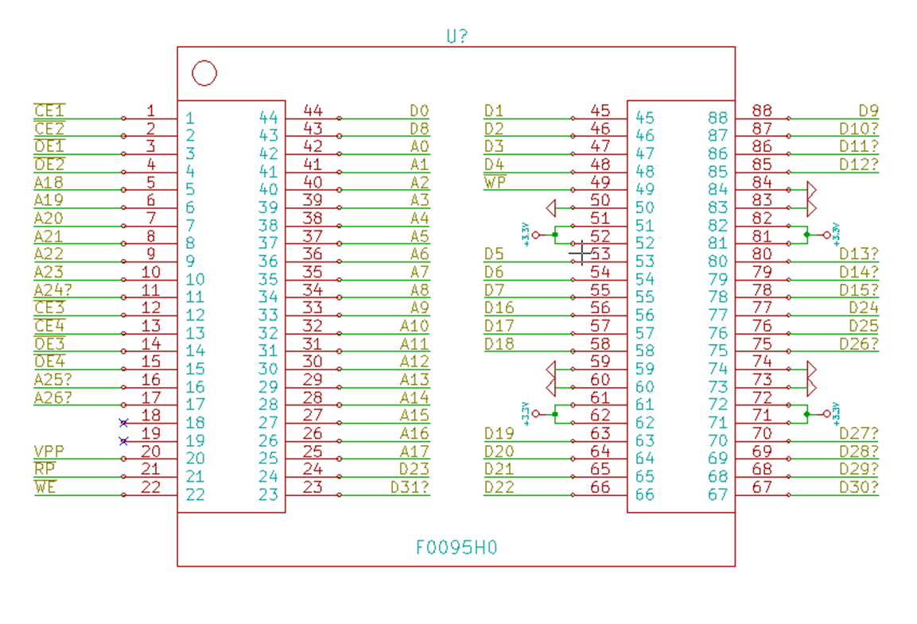
 | Pin | Des | Conn C1/C2 | Des | Conn C5/C6 | Des
 |  |  |  |  |  |  |  |  |  |  |  | Stilt PCB pinout: |  |  |  |  |  | (DOT)
C1-C2 | 1 | CE1# | 0 | anways EN | GND |  |  |  |  |  |  |  | 67 | 66 |  | 23 | 22
CHA | 2 | CE2# | 0 | anways EN | GND |  |  |  |  |  |  |  | 68 | 65 |  | 24 | 21
 | 3 | OE1# | CP1_55 | C1_nOE[0] | CP1_53 | C2_nOE[0] |  |  |  |  |  |  | 69 | 64 |  | 25 | 20
 | 4 | OE2# | CP1_54 | C1_nOE[1] | CP1_49 | C2_nOE[1] |  |  |  |  |  |  | 70 | 63 |  | 26 | 19
 | 5 | A18 | CP1_133 |  |  |  |  |  |  |  |  |  | 71 | 62 |  | 27 | 18
 | 6 | A19 | CP1_132 |  |  |  |  |  |  |  |  |  | 72 | 61 |  | 28 | 17
 | 7 | A20 | CP1_131 |  |  |  |  |  |  |  |  |  | 73 | 60 |  | 29 | 16
 | 8 | A21 | CP1_122 |  |  |  |  |  |  |  |  |  | 74 | 59 |  | 30 | 15
 | 9 | A22 | CP1_121 |  |  |  |  |  |  |  |  |  | 75 | 58 |  | 31 | 14
 | 10 | A23 | CP1_120 |  |  |  |  |  |  |  |  |  | 76 | 57 |  | 32 | 13
 | 11 | A24? | CP1_119 |  |  |  |  |  |  |  |  |  | 77 | 56 |  | 33 | 12
 | 12 | CE3# | 0 | anways EN | GND |  |  |  |  |  |  |  | 78 | 55 |  | 34 | 11
 | 13 | CE4# | 0 | anways EN | GND |  |  |  |  |  |  |  | 79 | 54 |  | 35 | 10
 | 14 | OE3# | OE1# |  |  |  |  |  |  |  |  |  | 80 | 53 |  | 36 | 9
 | 15 | OE4# | OE2# |  |  |  |  |  |  |  |  |  | 81 | 52 |  | 37 | 8
 | 16 | A25? | CP1_118 |  |  |  |  |  |  |  |  |  | 82 | 51 |  | 38 | 7
 | 17 | A26? | CP1_117 |  |  |  |  |  |  |  |  |  | 83 | 50 |  | 39 | 6
 | 18 | NC |  |  |  |  |  |  |  |  |  |  | 84 | 49 |  | 40 | 5
 | 19 | NC |  |  |  |  |  |  |  |  |  |  | 85 | 48 |  | 41 | 4
 | 20 | VPP |  |  |  |  |  |  |  |  |  |  | 86 | 47 |  | 42 | 3
 | 21 | RP# | 1 | always DIS |  |  |  |  |  |  |  |  | 87 | 46 |  | 43 | 2
 | 22 | WE# | 1 | always DIS |  |  |  |  |  |  |  |  | 88 | 45 |  | 44 | 1
 | 23 | D31? | CP1_35
 | 24 | D23 | CP1_28
 | 25 | A17 | CP1_134
 | 26 | A16 | U5_19 |  |  |  |  |  |  |  |  |  |  |  | F0095H0
 | 27 | A15 | U5_16
 | 28 | A14 | U5_15
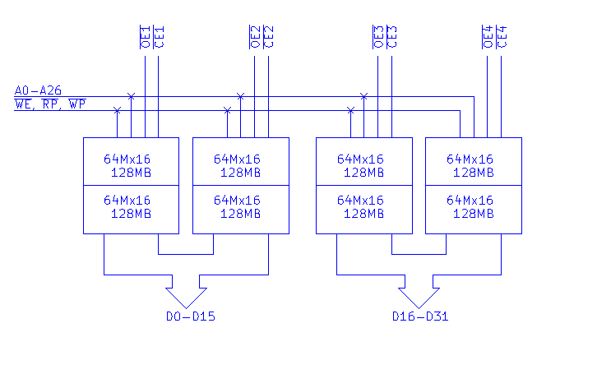
 | 29 | A13 | U5_12
 | 30 | A12 | U5_9 |  |  |  |  |  |  |  |  |  |  |  |  |  | (DOT)
 | 31 | A11 | U5_6
 | 32 | A10 | U5_5 |  |  |  |  |  |  |  |  |  |  | cpld_d
 | 33 | A9 | U5_2 |  |  |  |  |  |  |  |  |  |  | cpld_a
 | 34 | A8 | U4_19 |  |  |  |  |  |  |  |  |  |  | logic
 | 35 | A7 | U4_16 |  |  |  |  |  |  |  |  |  |  | cart slot
 | 36 | A6 | U4_15
 | 37 | A5 | U4_12
 | 38 | A4 | CHA_A10
 | 39 | A3 | U4_2
 | 40 | A2 | U4_5
 | 41 | A1 | U4_6
 | 42 | A0 | U4_9
 | 43 | D8 | CP1_2
 | 44 | D0 | CP1_16
 | 45 | D1 | CP1_12
 | 46 | D2 | CP1_11
 | 47 | D3 | CP1_5
 | 48 | D4 | CP1_19
 | 49 | WP# | 0 | always EN
 | 50 | GND
 | 51 | VCC
 | 52 | VCC
 | 53 | D5 | CP1_1
 | 54 | D6 | CP1_21 |  |  |  | Descramble | CR (Cx) |  | Scramble | CR (Cx)
 | 55 | D7 | CP1_7
 | 56 | D16 | CP1_37 |  |  |  | D0 | 12 |  | D0 | 5
 | 57 | D17 | CP1_34 |  |  |  | D1 | 9 |  | D1 | 8
 | 58 | D18 | CP1_32 |  |  |  | D2 | 8 |  | D2 | 3
 | 59 | GND |  |  |  |  | D3 | 2 |  | D3 | 11
 | 60 | GND |  |  |  |  | D4 | 14 |  | D4 | 7
 | 61 | VCC |  |  |  |  | D5 | 0 |  | D5 | 9
 | 62 | VCC |  |  |  |  | D6 | 15 |  | D6 | 13
 | 63 | D19 | CP1_25 |  |  |  | D7 | 4 |  | D7 | 12
 | 64 | D20 | CP1_39 |  |  |  | D8 | 1 |  | D8 | 2
 | 65 | D21 | CP1_22 |  |  |  | D9 | 5 |  | D9 | 1
 | 66 | D22 | CP1_40 |  |  |  | D10 | 13 |  | D10 | 15
 | 67 | D30? | CP1_36 |  |  |  | D11 | 3 |  | D11 | 14
 | 68 | D29? | CP1_30 |  |  |  | D12 | 7 |  | D12 | 0
 | 69 | D28? | CP1_31 |  |  |  | D13 | 6 |  | D13 | 10
 | 70 | D27? | CP1_27 |  |  |  | D14 | 11 |  | D14 | 4
 | 71 | VCC |  |  |  |  | D15 | 10 |  | D15 | 6
 | 72 | VCC |  |  |  |  | D16 | 28 |  | D16 | 21
 | 73 | GND |  |  |  |  | D17 | 25 |  | D17 | 24
 | 74 | GND |  |  |  |  | D18 | 24 |  | D18 | 19
 | 75 | D26? | CP1_38 |  |  |  | D19 | 18 |  | D19 | 27
 | 76 | D25 | CP1_29 |  |  |  | D20 | 30 |  | D20 | 23
 | 77 | D24 | CP1_23 |  |  |  | D21 | 16 |  | D21 | 25
 | 78 | D15? | CP1_14 |  |  |  | D22 | 31 |  | D22 | 29
 | 79 | D14? | CP1_15 |  |  |  | D23 | 20 |  | D23 | 28
 | 80 | D13? | CP1_9 |  |  |  | D24 | 17 |  | D24 | 18
 | 81 | VCC |  |  |  |  | D25 | 21 |  | D25 | 17
 | 82 | VCC |  |  |  |  | D26 | 29 |  | D26 | 31
 | 83 | GND |  |  |  |  | D27 | 19 |  | D27 | 30
 | 84 | GND |  |  |  |  | D28 | 23 |  | D28 | 16
 | 85 | D12? | CP1_10 |  |  |  | D29 | 22 |  | D29 | 26
 | 86 | D11? | CP1_6 |  |  |  | D30 | 27 |  | D30 | 20
 | 87 | D10? | CP1_18 |  |  |  | D31 | 26 |  | D31 | 22
 | 88 | D9 | CP1_8

V1 | 1 | CE1# | 0 | anways EN |  |  | Descramble | A (Cx)
PROG | 2 | CE2# | 0 | anways EN
 | 3 | OE1# | PCM2_70 | V_nOE[0] |  |  | A0 | 3
 | 4 | OE2# | PCM2_71 | V_nOE[1] |  |  | A1 | 2
 | 5 | A18 | PCM2_74 | V_ADDR[18] |  |  | A2 | 1
 | 6 | A19 | PCM2_78 | V_ADDR[19] |  |  | A3 | 0
 | 7 | A20 | PCM2_80 | V_ADDR[20] |  |  | A4 | 4
 | 8 | A21 | PCM2_82 | V_ADDR[21] |  |  | ... | ...
 | 9 | A22 | PCM2_87 | V_ADDR[22] |  |  | A26 | 26 | ?
 | 10 | A23 | PCM2_91 | V_ADDR[23]
 | 11 | A24? | PCM2_96 | V_ADDR[24]
 | 12 | CE3# | 0 | anways EN
 | 13 | CE4# | 0 | anways EN
 | 14 | OE3# | PCM2_107 | V_nOE[2]
 | 15 | OE4# | PCM2_110 | V_nOE[3]
 | 16 | A25? | PCM2_113 | V_ADDR[25]
 | 17 | A26? | PCM2_117 | V_ADDR[26]
 | 18 | NC | PCM2_119
 | 19 | NC | PCM2_118
 | 20 | VPP
 | 21 | RP# | 1 | always DIS
 | 22 | WE# | 1 | always DIS
 | 23 | D31? | PCM2_137 | V_DATA[31]
 | 24 | D23 | PCM2_134 | V_DATA[23]
 | 25 | A17 | PCM2_132 | V_ADDR[17]
 | 26 | A16 | PCM2_122 | V_ADDR[16]
 | 27 | A15 | PCM2_121 | V_ADDR[15]
 | 28 | A14 | PCM2_120 | V_ADDR[14]
 | 29 | A13 | PCM2_116 | V_ADDR[13]
 | 30 | A12 | PCM2_112 | V_ADDR[12]
 | 31 | A11 | PCM2_108 | V_ADDR[11]
 | 32 | A10 | PCM2_102 | V_ADDR[10]
 | 33 | A9 | PCM2_99 | V_ADDR[9]
 | 34 | A8 | PCM2_93 | V_ADDR[8]
 | 35 | A7 | PCM2_88 | V_ADDR[7]
 | 36 | A6 | PCM2_83 | V_ADDR[6]
 | 37 | A5 | PCM2_81 | V_ADDR[5]
 | 38 | A4 | PCM2_79 | V_ADDR[4]
 | 39 | A3 | PCM2_75 | V_ADDR[3]
 | 40 | A2 | PCM2_72 | V_ADDR[2]
 | 41 | A1 | PCM2_67 | V_ADDR[1]
 | 42 | A0 | PCM2_63 | V_ADDR[0]
 | 43 | D8 | PCM2_60 | V_DATA[8]
 | 44 | D0 | PCM2_54 | V_DATA[0]
 | 45 | D1 | PCM2_55 | V_DATA[1]
 | 46 | D2 | PCM2_61 | V_DATA[2]
 | 47 | D3 | PCM2_65 | V_DATA[3]
 | 48 | D4 | PCM2_68 | V_DATA[4]
 | 49 | WP# | 0 | always EN
 | 50 | GND
 | 51 | VCC
 | 52 | VCC
 | 53 | D5 | PCM2_84 | V_DATA[5]
 | 54 | D6 | PCM2_90 | V_DATA[6]
 | 55 | D7 | PCM2_97 | V_DATA[7]
 | 56 | D16 | PCM2_100 | V_DATA[16]
 | 57 | D17 | PCM2_103 | V_DATA[17]
 | 58 | D18 | PCM2_109 | V_DATA[18]
 | 59 | GND
 | 60 | GND
 | 61 | VCC
 | 62 | VCC
 | 63 | D19 | PCM2_136 | V_DATA[19]
 | 64 | D20 | PCM2_139 | V_DATA[20]
 | 65 | D21 | PCM2_141 | V_DATA[21]
 | 66 | D22 | PCM2_143 | V_DATA[22]
 | 67 | D30? | PCM2_142 | V_DATA[30]
 | 68 | D29? | PCM2_140 | V_DATA[29]
 | 69 | D28? | PCM2_138 | V_DATA[28]
 | 70 | D27? | PCM2_133 | V_DATA[27]
 | 71 | VCC
 | 72 | VCC
 | 73 | GND
 | 74 | GND
 | 75 | D26? | PCM2_111 | V_DATA[26]
 | 76 | D25 | PCM2_106 | V_DATA[25]
 | 77 | D24 | PCM2_101 | V_DATA[24]
 | 78 | D15? | PCM2_98 | V_DATA[15]
 | 79 | D14? | PCM2_92 | V_DATA[14]
 | 80 | D13? | PCM2_86 | V_DATA[13]
 | 81 | VCC
 | 82 | VCC
 | 83 | GND
 | 84 | GND
 | 85 | D12? | PCM2_69 | V_DATA[12]
 | 86 | D11? | PCM2_66 | V_DATA[11]
 | 87 | D10? | PCM2_62 | V_DATA[10]
 | 88 | D9 | PCM2_56 | V_DATA[9]

55LV100S
2 x S29GL512P |  | S29GL01GP, S29GL512P, S29GL256P, S29GL128P 1 Gbit, 512, 256, 128 Mbit, 3 V, Page Flash with 90 nm MirrorBit Process Technology

 | Pin | Des | Conn1 | Con2 | Conn3

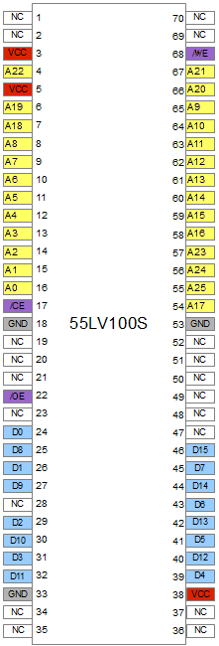
P1-P3 | 1 | NC
PROG | 2 | NC
 | 3 | VCC
 | 4 | A22 | CP1_93
 | 5 | VCC
 | 6 | A19 | CP1_96
 | 7 | A18 | CP1_97
 | 8 | A8 | CP1_98
 | 9 | A7 | CP1_99
 | 10 | A6 | CP1_100
 | 11 | A5 | CP1_101
 | 12 | A4 | CP1_102
 | 13 | A3 | CP1_103
 | 14 | A2 | CP1_106
 | 15 | A1 | CP1_107
 | 16 | A0 | CP1_108
 | 17 | CE# | CP1_70 | CP1_71 | CP1_92
 | 18 | GND
 | 19 | NC
 | 20 | NC
 | 21 | NC
 | 22 | OE# | CP1_110
 | 23 | NC
 | 24 | D0 | D8
 | 25 | D8 | D9 |  |  | D8
 | 26 | D1 | D10 |  |  | D9 |  |  |  | D0
 | 27 | D9 | D11 |  |  | D10 |  |  |  | D1
 | 28 | NC |  |  |  | D11 |  |  |  | D2
 | 29 | D2 | D12 |  |  |  |  |  |  | D3
 | 30 | D10 | D13 |  |  | D12 |  |  |  | D4
 | 31 | D3 | D14 |  |  | D13 |  |  |  | D5
 | 32 | D11 | D15 |  |  | D14 |  |  |  | D6
 | 33 | GND |  |  |  | D15 |  |  |  | D7
 | 34 | NC
 | 35 | NC
 | 36 | NC
 | 37 | NC
 | 38 | VCC
 | 39 | D4 | D7
 | 40 | D12 | D6 |  |  |  | Descramble | D (Px) |  | Scramble | D (Px)
 | 41 | D5 | D5
 | 42 | D13 | D4 |  |  |  | D0 | 8 |  | D0 | 15
 | 43 | D6 | D3 |  |  |  | D1 | 10 |  | D1 | 7
 | 44 | D14 | D2 |  |  |  | D2 | 12 |  | D2 | 14
 | 45 | D7 | D1 |  |  |  | D3 | 14 |  | D3 | 6
 | 46 | D15 | D0 |  |  |  | D4 | 7 |  | D4 | 13
 | 47 | NC |  |  |  |  | D5 | 5 |  | D5 | 5
 | 48 | NC |  |  |  |  | D6 | 3 |  | D6 | 12
 | 49 | NC |  |  |  |  | D7 | 1 |  | D7 | 4
 | 50 | NC |  |  |  |  | D8 | 9 |  | D8 | 0
 | 51 | NC |  |  |  |  | D9 | 11 |  | D9 | 8
 | 52 | NC |  |  |  |  | D10 | 13 |  | D10 | 1
 | 53 | GND |  |  |  |  | D11 | 15 |  | D11 | 9
 | 54 | A17 | CP1_74 |  |  |  | D12 | 6 |  | D12 | 2
 | 55 | A25 | CP1_75 |  |  |  | D13 | 4 |  | D13 | 10
 | 56 | A24 | CP1_78 |  |  |  | D14 | 2 |  | D14 | 3
 | 57 | A23 | CP1_79 |  |  |  | D15 | 0 |  | D15 | 11
 | 58 | A16 | CP1_80
 | 59 | A15 | CP1_81
 | 60 | A14 | CP1_82
 | 61 | A13 | CP1_83 |  |  |  | Descramble | A (Px) | CE#3 = 0 | Scamble | D (Px)
 | 62 | A12 | CP1_84
 | 63 | A11 | CP1_86 |  |  |  | A0 | 4 |  | A0 | 4
 | 64 | A10 | CP1_87 |  |  |  | A1 | 3 |  | A1 | 3
 | 65 | A9 | CP1_88 |  |  |  | A2 | 2 |  | A2 | 2
 | 66 | A20 | CP1_90 |  |  |  | A3 | 1 |  | A3 | 1
 | 67 | A21 | CP1_91 |  |  |  | A4 | 0 |  | A4 | 0
 | 68 | WE# | 1 | always DIS |  |  | A5 | 15 |  | A5 | 10
 | 69 | NC |  |  |  |  | A6 | 14 |  | A6 | 11
 | 70 | NC |  |  |  |  | A7 | 13 |  | A7 | 9
 |  |  |  |  |  |  | A8 | 8 |  | A8 | 8
 |  |  |  |  |  |  | A9 | 7 |  | A9 | 15
 |  |  |  |  |  |  | A10 | 5 |  | A10 | 13
 |  |  |  |  |  |  | A11 | 6 |  | A11 | 14
 |  |  |  |  |  |  | A12 | 12 |  | A12 | 12
 |  |  |  |  |  |  | A13 | 10 |  | A13 | 7
 |  |  |  |  |  |  | A14 | 11 |  | A14 | 6
 |  |  |  |  |  |  | A15 | 9 |  | A15 | 5
 |  |  |  |  |  |  | A16 | 20 |  | A16 | 19
 |  |  |  |  |  |  | A17 | 22 |  | A17 | 20
 |  |  |  |  |  |  | A18 | 19 |  | A18 | 21
 |  |  |  |  |  |  | A19 | 16 | ? | A19 | 18
 |  |  |  |  |  |  | A20 | 17 | ? | A20 | 16
 |  |  |  |  |  |  | A21 | 18 | ? | A21 | 22
 |  |  |  |  |  |  | A22 | 21 | ? | A22 | 17
 |  |  |  |  |  |  | A23 | 23 | ? | A23 | 23
 |  |  |  |  |  |  | A24 | 24 | ? | A24 | 24
 |  |  |  |  |  |  | A25 | 25 | ? | A25 | 25

JS28F512
JS28F512M29EWH |  | 256Mb, 512Mb, 1Gb, 2Gb: 3V Embedded Parallel NOR Flash

 | Pin | Des | Conn
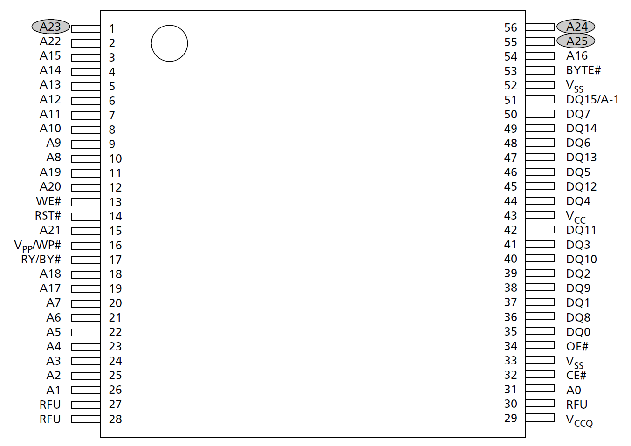
S1 | 1 | A23 | CP1_143 | GSEL[7]
CHA | 2 | A22 | CP1_142 | GSEL[6]
 | 3 | A15 | U3_19
 | 4 | A14 | U3_16
 | 5 | A13 | U3_15
 | 6 | A12 | U3_12
 | 7 | A11 | U3_9
 | 8 | A10 | U3_6
 | 9 | A9 | U3_5
 | 10 | A8 | U3_2
 | 11 | A19 | CP1_139 | GSEL[3]
 | 12 | A20 | CP1_140 | GSEL[4]
 | 13 | WE# | 1 | wr. disable
 | 14 | RST# | 1 | no rst
 | 15 | A21 | CP1_141 | GSEL[5]
 | 16 | Vpp/WP# | 1 | no protect
 | 17 | RY/BY# | NC
 | 18 | A18 | CP1_138 | GSEL[2]
 | 19 | A17 | CP1_137 | GSEL[1]
 | 20 | A7 | U2_19
 | 21 | A6 | U2_16
 | 22 | A5 | U2_15
 | 23 | A4 | U2_12
 | 24 | A3 | U2_9
 | 25 | A2 | CHA_A6
 | 26 | A1 | U2_6
 | 27 | NC
 | 28 | NC
 | 29 | VCC
 | 30 | NC
 | 31 | A0 | U2_5
 | 32 | CE# | 0 | always EN
 | 33 | GND
 | 34 | OE# | 0 | always EN
 | 35 | D0 | CHA_B3 | FIXD[0]
 | 36 | D8 | NC
 | 37 | D1 | CHA_B4 | FIXD[1]
 | 38 | D9 | NC
 | 39 | D2 | CHA_B5 | FIXD[2]
 | 40 | D10 | NC
 | 41 | D3 | CHA_B6 | FIXD[3]
 | 42 | D11 | NC
 | 43 | VCC
 | 44 | D4 | CHA_B7 | FIXD[4]
 | 45 | D12 | NC
 | 46 | D5 | CHA_B8 | FIXD[5]
 | 47 | D13 | NC
 | 48 | D6 | CHA_B9 | FIXD[6]
 | 49 | D14 | NC
 | 50 | D7 | CHA_B10 | FIXD[7]
 | 51 | D15/A-1 | U2_2 | S_ADDR[-1]
 | 52 | GND
 | 53 | BYTE# | 0 | byte mode
 | 54 | A16 | CP1_136 | GSEL[0]
 | 55 | NC | 0
 | 56 | A24 | 0

M1 | 1 | A23 | CP1_142 | GSEL[6]
CHA | 2 | A22 | CP1_141 | GSEL[5]
 | 3 | A15 | CP1_65
 | 4 | A14 | CP1_63
 | 5 | A13 | CP1_62
 | 6 | A12 | CP1_61
 | 7 | A11 | CP1_60
 | 8 | A10 | CP1_56
 | 9 | A9 | CHA_A40 | SDA[10]
 | 10 | A8 | CHA_A39 | SDA[9]
 | 11 | A19 | CP1_138 | GSEL[2]
 | 12 | A20 | CP1_139 | GSEL[3]
 | 13 | WE# | 1 | wr. disable
 | 14 | RST# | 1 | no rst
 | 15 | A21 | CP1_140 | GSEL[4]
 | 16 | Vpp/WP# | 1 | no protect
 | 17 | RY/BY# | NC
 | 18 | A18 | CP1_137 | GSEL[1]
 | 19 | A17 | CP1_136 | GSEL[0]
 | 20 | A7 | CHA_A38 | SDA[8]
 | 21 | A6 | CHA_A37 | SDA[7]
 | 22 | A5 | CHA_A36 | SDA[6]
 | 23 | A4 | CHA_A35 | SDA[5]
 | 24 | A3 | CHA_A34 | SDA[4]
 | 25 | A2 | CHA_A33 | SDA[3]
 | 26 | A1 | CHA_A32 | SDA[2]
 | 27 | NC
 | 28 | NC
 | 29 | VCC
 | 30 | NC
 | 31 | A0 | CHA_A31 | SDA[1]
 | 32 | CE# | CP1_67
 | 33 | GND
 | 34 | OE# | CP1_68
 | 35 | D0 | CHA_B40 | SDD[0]
 | 36 | D8 | NC
 | 37 | D1 | CHA_B41 | SDD[1]
 | 38 | D9 | NC
 | 39 | D2 | CHA_B42 | SDD[2]
 | 40 | D10 | NC
 | 41 | D3 | CHA_B43 | SDD[3]
 | 42 | D11 | NC
 | 43 | VCC
 | 44 | D4 | CHA_B44 | SDD[4]
 | 45 | D12 | NC
 | 46 | D5 | CHA_B45 | SDD[5]
 | 47 | D13 | NC
 | 48 | D6 | CHA_B46 | SDD[6]
 | 49 | D14 | NC
 | 50 | D7 | CHA_B47 | SDD[7]
 | 51 | D15/A-1 | CHA_A30 | SDA[0]
 | 52 | GND
 | 53 | BYTE# | 0 | byte mode
 | 54 | A16 | CP1_66
 | 55 | NC | 0
 | 56 | A24 | CP1_143 | GSEL[7]

STC11
STC 11F08XE 351 - LQFP44 |  |  | STC11F/10Fxx series MCU STC11L/10Lxx series MCU Data Sheet

 | Pin | Des | Conn
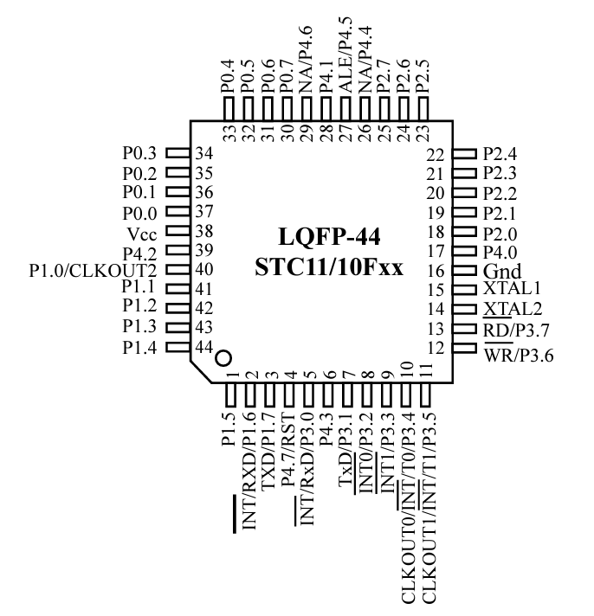
 | 1 | P1.5 | NC
 | 2 | P1.6/RXD/INT | NC
 | 3 | P1.7/TXD | NC
 | 4 | P4.7/RST | GND thr R
 | 5 | P3.0/RxD/INT | J2[3] | prog / dbg?
 | 6 | P4.3 | NC
 | 7 | P3.1/TxD | J2[2] | prog / dbg?
 | 8 | P3.2/INT0 | CP1_62 | ?
 | 9 | P3.3/INT1 | CP1_63 | ?
 | 10 | P3.4/T0/INT/CO0 | NC
 | 11 | P3.5/T1/INT/CO1 | NC
 | 12 | P3.6/WR | CP1_65 | ?
 | 13 | P3.7/RD | CP1_66 | ?
 | 14 | XTAL2 | Y1
 | 15 | XTAL1 | Y1
 | 16 | GND
 | 17 | P4.0 | NC
 | 18 | P2.0 | NC
 | 19 | P2.1 | NC
 | 20 | P2.2 | NC
 | 21 | P2.3 | NC
 | 22 | P2.4 | NC
 | 23 | P2.5 | NC
 | 24 | P2.6 | NC
 | 25 | P2.7 | CP1_61 | ?
 | 26 | P4.4/NA | NC
 | 27 | P4.5/ALE | CP1_60 | ?
 | 28 | P4.1 | NC
 | 29 | P4.6/NA | VCC
 | 30 | P0.7 | CP1_56 | byte | Address: | 0x2FFFE0
 | 31 | P0.6 | CP1_55
 | 32 | P0.5 | CP1_54 |  | Query | Resp | Function
 | 33 | P0.4 | CP1_53
 | 34 | P0.3 | CP1_49 |  | 0x9696 | 0x9696 | Enter read Last Game
 | 35 | P0.2 | CP1_48 |  | 0xFFFF | 0xXXXX | Get Last Game | XX - Game No.
 | 36 | P0.1 | CP1_47 |  | 0xAAAA | 0xAAAA | Exit
 | 37 | P0.0 | CP1_46
 | 38 | VCC | VCC |  | 0xD5D5 | 0xD5D5 | Enter Write Last Game
 | 39 | P4.2 | NC |  | 0xXXXX | 0xAAAA | Put Last Game | XX - Game No.
 | 40 | P1.0/CO2 | NC |  | 0xAAAA | 0xAAAA | Exit
 | 41 | P1.1 | NC
 | 42 | P1.2 | CP1_45 | ? | 0xXX55 | 0xXX55 | Enter Write Soft DIPs | XX - Game No.
 | 43 | P1.3 | CP1_44 | ? | 0xXXYY | 0xXXYY | Put Soft DIP | XX - DIP Val. | YY - DIP No (0x00-0x0F)
 | 44 | P1.4 | NC |  | 0xAAAA | 0xAAAA | Exit

J2 | [1] | GND |  |  | 0xXX66 | 0x6666 | Enter
(prog) | 2 | TxD |  |  | 0x9999 | 0xXXYY | Get Soft DIP | XX = DIP Val. | YY - DIP No (0x00-0x0F)
 | 3 | RxD |  |  | 0xAAAA | 0xAAAA | Exit |  | YY = 0xFF if no DIP programmed
 | 4 | VCC
 |  |  |  |  | 0x6868 | 0x6868 | Enter read CRC | CRC = DIP[0] ^ DIP[1] ^ ... ^ DIP [15]
 |  |  |  |  | 0xFFFF | 0xXXXX | Get CRC
 |  |  |  |  | 0xAAAA | 0xAAAA | Exit

STM32
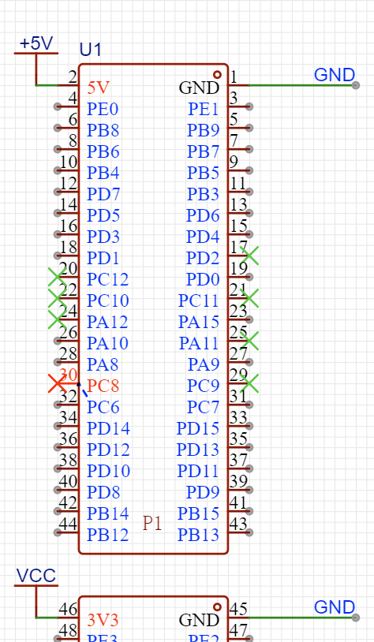
 | Port | Des1 (P) | Des2 (SM) | Des3 (CV)

x8 | PA0 | D0 | D0 | D0 | D16
 | PA1 | D1 | D1 | D1 | D17
 | PA2 | D2 | D2 | D2 | D18
 | PA3 | D3 | D3 | D3 | D19
 | PA4 | D4 | D4 | D4 | D20
 | PA5 | D5 | D5 | D5 | D21
 | PA6 | D6 | D6 | D6 | D22
 | PA7 | D7 | D7 | D7 | D23

x3(x11) | PA8 | --- | --- | ---
 | PA9 | --- | --- | ---
 | PA10 | --- | --- | ---

x1 | PA15 | --- | --- | ---

x16 | PB0 | A0 | A0 | A0
 | PB1 | A1 | A1 | A1
 | PB2 | A2 | A2 | A2
 | PB3 | A3 | A3 | A3
 | PB4 | A4 | A4 | A4
 | PB5 | A5 | A5 | A5
 | PB6 | A6 | A6 | A6
 | PB7 | A7 | A7 | A7
 | PB8 | A8 | A8 | A8
 | PB9 | A9 | A9 | A9
 | PB10 | A10 | A10 | A10
 | PB11 | A11 | A11 | A11
 | PB12 | A12 | A12 | A12
 | PB13 | A13 | A13 | A13
 | PB14 | A14 | A14 | A14
 | PB15 | A15 | A15 | A15

x8 | PC0 | D8 | D8 | D8 | D24
 | PC1 | D9 | D9 | D9 | D25
 | PC2 | D10 | D10 | D10 | D26
 | PC3 | D11 | D11 | D11 | D27
 | PC4 | D12 | D12 | D12 | D28
 | PC5 | D13 | D13 | D13 | D29
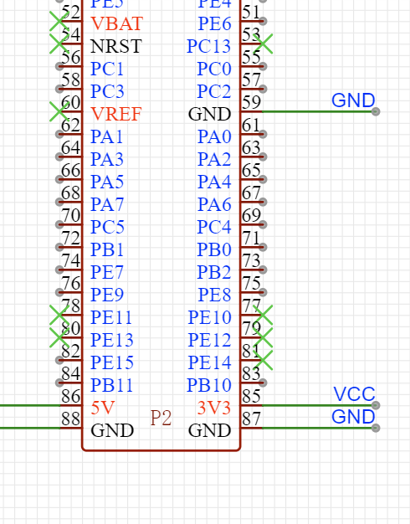
 | PC6 | D14 | D14 | D14 | D30
 | PC7 | D15 | D15 | D15 | D31

x15 | PD0 | CE# (0) | BY# (Z) | CE1#
no PD2 | PD1 | OE# | BYTE# (1) | CE2#
 | PD3 | WE# | CE# (0) | CE3#
 | PD4 | --- | OE# | CE4#
 | PD5 | --- | RST# (1) | OE1#
 | PD6 | --- | WE# | OE2#
 | PD7 | --- | WP# (1) | OE3#
 | PD8 | --- | --- | OE4#
 | PD9 | --- | --- | RP#(1)
 | PD10 | --- | --- | WE#
 | PD11 | --- | --- | WP#(1)
 | PD12 | --- | --- | ---
 | PD13 | --- | --- | ---
 | PD14 | --- | --- | ---
 | PD15 | --- | --- | ---

x8 | PE0 | A16 | A16 | A16
 | PE1 | A17 | A17 | A17
 | PE2 | A18 | A18 | A18
 | PE3(LED) | A19 | A19 | A19
 | PE4 | A20 | A20 | A20
 | PE5 | A21 | A21 | A21
 | PE6 | A22 | A22 | A22
 | PE7 | A23 | A23 | A23

x2(x10) | PE8 | A24 | A24 | A24
 | PE9 | A25 | A25 | A25

x1 | PE15 | --- | --- | A26

